AdventureWorks
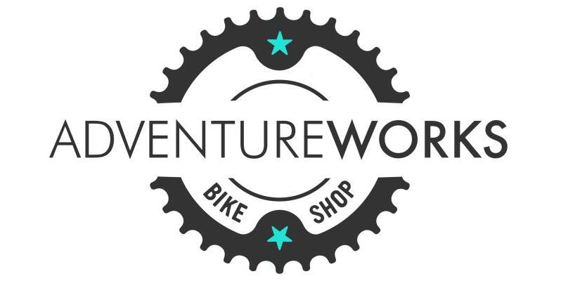
Company Performance Overview



$24,914,587
Total Revenue
$14,456,871
$10,457,715
42%
2%
84,174
Total Cost
Total Profit
Profit Margin
Return Rate
Total Quantity

 | Total Revenue | Profit
2020 | $6,404,933.6 | $2,601,602.33
2021 | $9,324,203.8 | $3,967,084.13
2022 | $9,185,449.4 | $3,889,028.97
Total Revenue by Category
 | Total
Accessories | $906,673.1
Bikes | $23,642,495.1
Clothing | $365,418.6

Total Profit by years
 | Total
2020 | $2,601,602.33
2021 | $3,967,084.13
2022 | $3,889,028.97
Top 10 Product
 | Total
Mountain-200 Black, 46 | $1,241,753.5
Mountain-200 Black, 42 | $1,233,557.1
Mountain-200 Silver, 38 | $1,213,851.9
Mountain-200 Silver, 46 | $1,182,780.6
Mountain-200 Black, 38 | $1,165,936.9
Mountain-200 Silver, 42 | $1,133,066.5
Road-250 Black, 52 | $689,373.8
Road-250 Red, 58 | $661,013.4
Road-250 Black, 48 | $641,379.4
Road-150 Red, 48 | $640,510.3

